Sheet1
 |  |  | NEW YORK FED ECONOMIC RESEARCH

 |  |  | https://www.newyorkfed.org/research

quarter | group | Real Corporate Equities and Mutual Funds, percent change since 2019q1 | Nominal Corporate Equities and Mutual Funds, percent change since 2019q1
2019-01-01 | 40_54 | 0 | 0
2019-04-01 | 40_54 | 3.1011276245 | 3.3388500214
2019-07-01 | 40_54 | 4.0489754677 | 4.3550481796
2019-10-01 | 40_54 | 4.9602589607 | 5.2750787735
2020-01-01 | 40_54 | -14.950930595 | -14.585490227
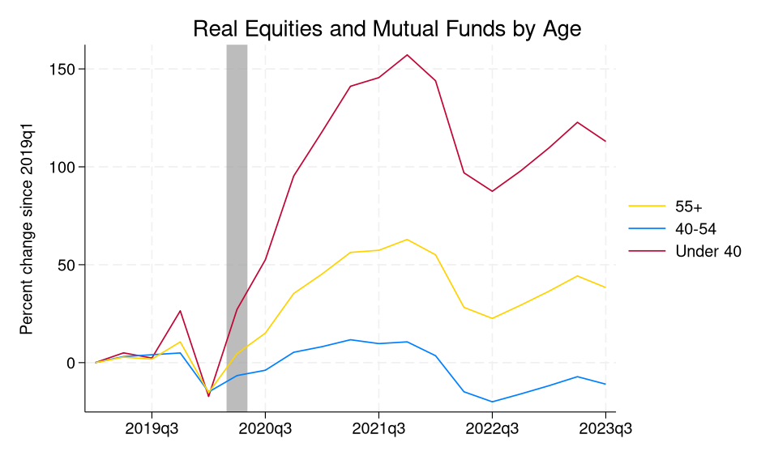
2020-04-01 | 40_54 | -6.598959446 | -6.1760644913
2020-07-01 | 40_54 | -3.8550305367 | -2.9692468643
2020-10-01 | 40_54 | 5.3219156265 | 6.2444067001
2021-01-01 | 40_54 | 8.1703128815 | 9.876748085
2021-04-01 | 40_54 | 11.715620995 | 14.638326645
2021-07-01 | 40_54 | 9.7392892838 | 13.108071327
2021-10-01 | 40_54 | 10.632303238 | 14.712145805
2022-01-01 | 40_54 | 3.5519070625 | 8.6435575485
2022-04-01 | 40_54 | -14.85251236 | -9.7984628677
2022-07-01 | 40_54 | -19.991548538 | -15.272618294
2022-10-01 | 40_54 | -15.97125721 | -11.251914978
2023-01-01 | 40_54 | -11.741053581 | -6.2881083488
2023-04-01 | 40_54 | -7.1477351189 | -1.0022095442
2023-07-01 | 40_54 | -10.980636597 | -4.84689188
2019-01-01 | 55over | 0 | 0
2019-04-01 | 55over | 2.8154325485 | 3.0343911648
2019-07-01 | 55over | 1.8060097694 | 2.1051020622
2019-10-01 | 55over | 10.603897095 | 10.974266052
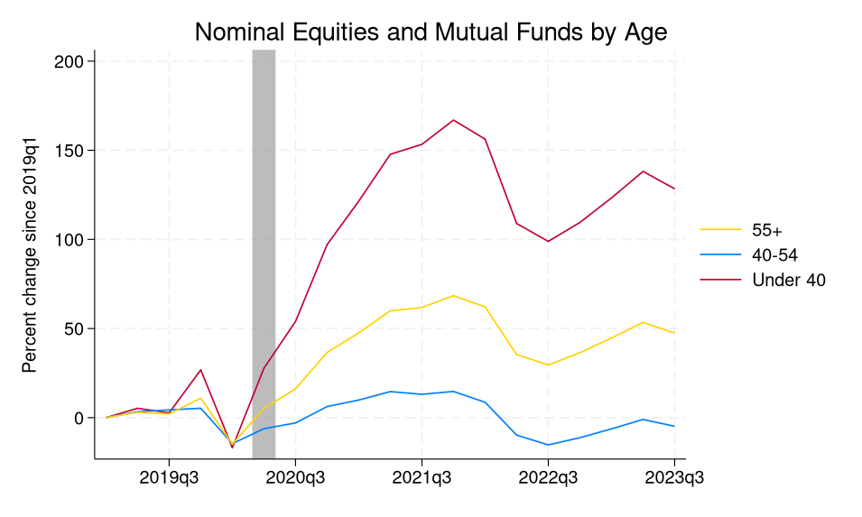
2020-01-01 | 55over | -15.269845963 | -14.843338013
2020-04-01 | 55over | 4.5676178932 | 5.212521553
2020-07-01 | 55over | 15.112495422 | 16.21840477
2020-10-01 | 55over | 35.330619812 | 36.592723846
2021-01-01 | 55over | 45.274929047 | 47.53094101
2021-04-01 | 55over | 56.30311203 | 59.994716644
2021-07-01 | 55over | 57.380374908 | 61.80973053
2021-10-01 | 55over | 62.895904541 | 68.44078064
2022-01-01 | 55over | 55.074138641 | 62.156005859
2022-04-01 | 55over | 28.238344193 | 35.380924225
2022-07-01 | 55over | 22.610122681 | 29.550354004
2022-10-01 | 55over | 29.352487564 | 36.453022003
2023-01-01 | 55over | 36.503227234 | 44.672260284
2023-04-01 | 55over | 44.278675079 | 53.426773071
2023-07-01 | 55over | 38.35344696 | 47.522594452
2019-01-01 | under40 |  | 0
2019-04-01 | under40 | 5.014251709 | 5.2680420876
2019-07-01 | under40 | 2.3626286983 | 2.6744508743
2019-10-01 | under40 | 26.472383499 | 26.838027954
2020-01-01 | under40 | -17.224069595 | -16.862943649
2020-04-01 | under40 | 27.170228958 | 27.735364914
2020-07-01 | under40 | 52.541843414 | 53.976322174
2020-10-01 | under40 | 95.333831787 | 97.085960388
2021-01-01 | under40 | 117.94621277 | 121.43585968
2021-04-01 | under40 | 141.14556885 | 147.7416687
2021-07-01 | under40 | 145.55899048 | 153.3147583
2021-10-01 | under40 | 157.16316223 | 166.95323181
2022-01-01 | under40 | 143.95558167 | 156.26176453
2022-04-01 | under40 | 96.952011108 | 108.91543579
2022-07-01 | under40 | 87.521278381 | 98.892456055
2022-10-01 | under40 | 97.919799805 | 109.49398804
2023-01-01 | under40 | 109.69973755 | 123.27292633
2023-04-01 | under40 | 122.73516083 | 138.1421051
2023-07-01 | under40 | 112.97660065 | 128.38009644

