U.S. Consumer - Chart 2
 |  |  | NEW YORK FED ECONOMIC RESEARCH

 |  |  | https://www.newyorkfed.org/research

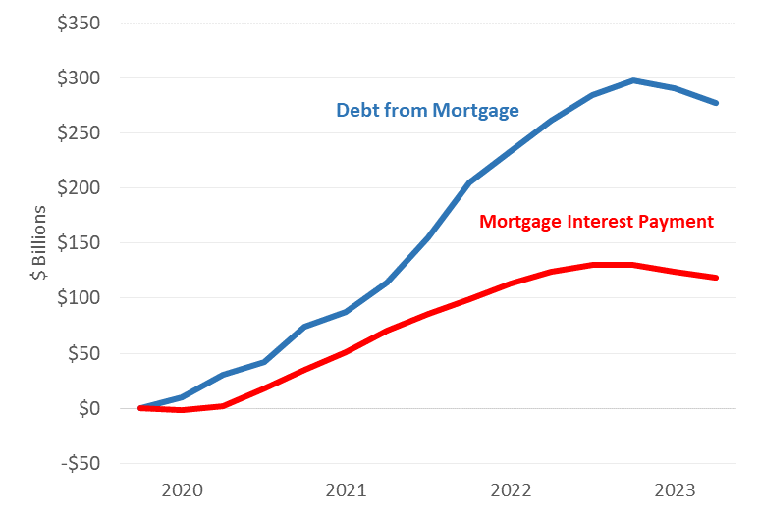
Mortgage debt contributed to liquid funds available for consumption
Subtitle: Cumulative contribution to cash flow since 2019 Q4 from debt change
 | debt from mortgage | mortgage interest payment
2019Q4 | 0 | 0
2020Q1 | 10 | -2
2020Q2 | 31 | 2
2020Q3 | 42 | 18
2020Q4 | 74 | 35
2021Q1 | 88 | 51
2021Q2 | 114 | 71
2021Q3 | 155 | 86
2021Q4 | 205 | 99
2022Q1 | 234 | 113
2022Q2 | 262 | 124
2022Q3 | 284 | 130
2022Q4 | 298 | 130
2023Q1 | 290 | 124
2023Q2 | 277 | 119

Source: New York Fed Consumer Credit Panel / Equifax;

Chart 3
 |  |  | NEW YORK FED ECONOMIC RESEARCH

 |  |  | https://www.newyorkfed.org/research

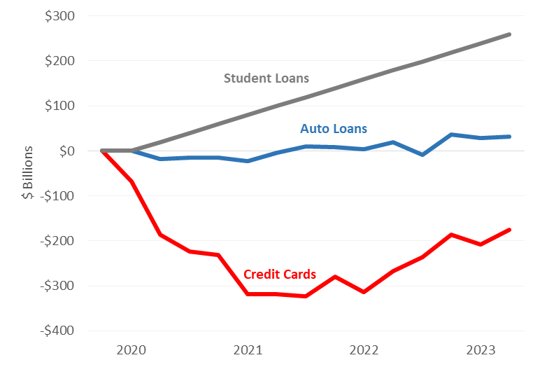
Cash flow from consumer debt from student debt auto loans and credit cards
Cumulative change from 2019Q4
 | auto loans | credit cards | student loans
2019Q4 | 0 | 0 | 0
2020Q1 | 0 | -68 | 0
2020Q2 | -19 | -187 | 20
2020Q3 | -15 | -224 | 40
2020Q4 | -16 | -232 | 60
2021Q1 | -23 | -319 | 80
2021Q2 | -4 | -318 | 99
2021Q3 | 9 | -323 | 119
2021Q4 | 9 | -279 | 139
2022Q1 | 3 | -314 | 159
2022Q2 | 20 | -268 | 179
2022Q3 | -8 | -236 | 199
2022Q4 | 36 | -186 | 219
2023Q1 | 29 | -208 | 239
2023Q2 | 32 | -176 | 259

Note: Student debt captures both the balance change and the interest payment, auto loans and credit cards capture only the balance changes
Source: New York Fed consumer credit Panel

Chart 4
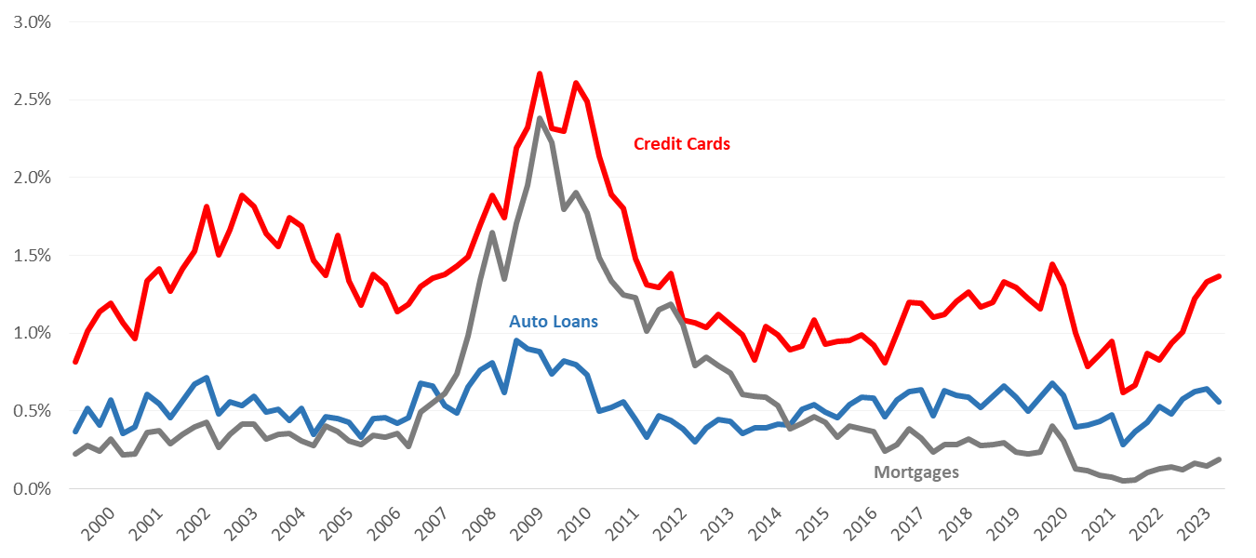
 |  |  | NEW YORK FED ECONOMIC RESEARCH

 |  |  | https://www.newyorkfed.org/research

Will delinquency rates continue to rise?
Transition to serious delinquency by debt product
 | 1999Q2 | 1999Q3 | 1999Q4 | 2000Q1 | 2000Q2 | 2000Q3 | 2000Q4 | 2001Q1 | 2001Q2 | 2001Q3 | 2001Q4 | 2002Q1 | 2002Q2 | 2002Q3 | 2002Q4 | 2003Q1 | 2003Q2 | 2003Q3 | 2003Q4 | 2004Q1 | 2004Q2 | 2004Q3 | 2004Q4 | 2005Q1 | 2005Q2 | 2005Q3 | 2005Q4 | 2006Q1 | 2006Q2 | 2006Q3 | 2006Q4 | 2007Q1 | 2007Q2 | 2007Q3 | 2007Q4 | 2008Q1 | 2008Q2 | 2008Q3 | 2008Q4 | 2009Q1 | 2009Q2 | 2009Q3 | 2009Q4 | 2010Q1 | 2010Q2 | 2010Q3 | 2010Q4 | 2011Q1 | 2011Q2 | 2011Q3 | 2011Q4 | 2012Q1 | 2012Q2 | 2012Q3 | 2012Q4 | 2013Q1 | 2013Q2 | 2013Q3 | 2013Q4 | 2014Q1 | 2014Q2 | 2014Q3 | 2014Q4 | 2015Q1 | 2015Q2 | 2015Q3 | 2015Q4 | 2016Q1 | 2016Q2 | 2016Q3 | 2016Q4 | 2017Q1 | 2017Q2 | 2017Q3 | 2017Q4 | 2018Q1 | 2018Q2 | 2018Q3 | 2018Q4 | 2019Q1 | 2019Q2 | 2019Q3 | 2019Q4 | 2020Q1 | 2020Q2 | 2020Q3 | 2020Q4 | 2021Q1 | 2021Q2 | 2021Q3 | 2021Q4 | 2022Q1 | 2022Q2 | 2022Q3 | 2022Q4 | 2023Q1
auto loans | 0.37% | 0.52% | 0.41% | 0.57% | 0.35% | 0.40% | 0.61% | 0.55% | 0.46% | 0.56% | 0.67% | 0.72% | 0.48% | 0.56% | 0.54% | 0.60% | 0.49% | 0.51% | 0.44% | 0.52% | 0.35% | 0.46% | 0.45% | 0.43% | 0.33% | 0.45% | 0.46% | 0.42% | 0.46% | 0.68% | 0.66% | 0.54% | 0.49% | 0.66% | 0.76% | 0.81% | 0.62% | 0.95% | 0.90% | 0.88% | 0.74% | 0.82% | 0.80% | 0.73% | 0.50% | 0.52% | 0.56% | 0.45% | 0.33% | 0.47% | 0.44% | 0.39% | 0.30% | 0.39% | 0.45% | 0.43% | 0.36% | 0.39% | 0.39% | 0.41% | 0.41% | 0.51% | 0.54% | 0.49% | 0.46% | 0.54% | 0.59% | 0.58% | 0.46% | 0.57% | 0.63% | 0.64% | 0.47% | 0.63% | 0.60% | 0.59% | 0.52% | 0.59% | 0.66% | 0.59% | 0.50% | 0.59% | 0.68% | 0.60% | 0.40% | 0.41% | 0.44% | 0.48% | 0.28% | 0.37% | 0.43% | 0.53% | 0.48% | 0.58% | 0.63% | 0.64%
Credit cards | 0.82% | 1.01% | 1.14% | 1.19% | 1.07% | 0.97% | 1.34% | 1.42% | 1.27% | 1.41% | 1.53% | 1.82% | 1.50% | 1.67% | 1.88% | 1.81% | 1.64% | 1.56% | 1.74% | 1.69% | 1.47% | 1.37% | 1.63% | 1.34% | 1.18% | 1.38% | 1.31% | 1.14% | 1.18% | 1.30% | 1.35% | 1.38% | 1.43% | 1.49% | 1.69% | 1.89% | 1.74% | 2.19% | 2.32% | 2.67% | 2.31% | 2.30% | 2.61% | 2.49% | 2.14% | 1.89% | 1.80% | 1.48% | 1.31% | 1.29% | 1.38% | 1.08% | 1.07% | 1.04% | 1.12% | 1.05% | 0.99% | 0.83% | 1.04% | 0.99% | 0.89% | 0.92% | 1.08% | 0.93% | 0.95% | 0.95% | 0.99% | 0.92% | 0.81% | 1.00% | 1.20% | 1.19% | 1.11% | 1.12% | 1.20% | 1.26% | 1.17% | 1.20% | 1.33% | 1.29% | 1.22% | 1.15% | 1.44% | 1.31% | 1.00% | 0.78% | 0.86% | 0.95% | 0.62% | 0.67% | 0.87% | 0.83% | 0.93% | 1.01% | 1.22% | 1.33%
mortgage | 0.22% | 0.28% | 0.24% | 0.32% | 0.22% | 0.23% | 0.37% | 0.37% | 0.29% | 0.35% | 0.40% | 0.43% | 0.26% | 0.35% | 0.41% | 0.42% | 0.32% | 0.35% | 0.36% | 0.31% | 0.28% | 0.40% | 0.37% | 0.31% | 0.28% | 0.34% | 0.33% | 0.36% | 0.28% | 0.50% | 0.55% | 0.61% | 0.74% | 0.98% | 1.34% | 1.65% | 1.35% | 1.71% | 1.95% | 2.38% | 2.23% | 1.80% | 1.90% | 1.77% | 1.48% | 1.34% | 1.25% | 1.23% | 1.02% | 1.15% | 1.19% | 1.05% | 0.79% | 0.85% | 0.79% | 0.75% | 0.61% | 0.59% | 0.59% | 0.54% | 0.39% | 0.42% | 0.46% | 0.43% | 0.33% | 0.40% | 0.39% | 0.37% | 0.24% | 0.29% | 0.39% | 0.33% | 0.24% | 0.29% | 0.29% | 0.32% | 0.28% | 0.28% | 0.29% | 0.24% | 0.22% | 0.24% | 0.40% | 0.31% | 0.13% | 0.12% | 0.09% | 0.08% | 0.05% | 0.06% | 0.11% | 0.13% | 0.14% | 0.12% | 0.17% | 0.15%

Source: New York Fed Consumer Credit Panel / Equifax

