Sheet1
2021-02-09
Understanding the Racial and Income Gap in Commuting for Work Following COVID-19
https://libertystreeteconomics.newyorkfed.org/2021/02/understanding-the-racial-and-income-gap-in-commuting-for-work-following-covid-19.html

Figure 1
Date | Higher Income | Low Income
 | Full Time
5-Jan-20 | 1.10414 | 1.097355
12-Jan-20 | 0.9651306 | 0.9716724
19-Jan-20 | 0.9363612 | 0.9427722
26-Jan-20 | 0.994368 | 0.9882005
2-Feb-20 | 0.9925831 | 0.9750359
9-Feb-20 | 1.057514 | 1.058289
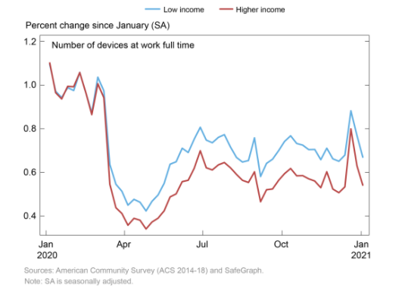
16-Feb-20 | 0.9660246 | 0.9655276
23-Feb-20 | 0.8647789 | 0.8733311
1-Mar-20 | 1.006075 | 1.036346
8-Mar-20 | 0.9420352 | 0.9735164
15-Mar-20 | 0.544996 | 0.6357868
22-Mar-20 | 0.4383935 | 0.5458713
29-Mar-20 | 0.4115681 | 0.5133668
5-Apr-20 | 0.3580904 | 0.4500052
12-Apr-20 | 0.389603 | 0.4767355
19-Apr-20 | 0.3811179 | 0.4634614
26-Apr-20 | 0.3409711 | 0.423537
3-May-20 | 0.3728385 | 0.4678209
10-May-20 | 0.3903199 | 0.4966098
17-May-20 | 0.4237127 | 0.5495162
24-May-20 | 0.4877422 | 0.6375708
31-May-20 | 0.5016661 | 0.6486688
7-Jun-20 | 0.5576108 | 0.7108345
14-Jun-20 | 0.5640047 | 0.6911805
21-Jun-20 | 0.6189842 | 0.7524353
28-Jun-20 | 0.6991426 | 0.8067466
5-Jul-20 | 0.621103 | 0.7480478
12-Jul-20 | 0.6111813 | 0.7357631
19-Jul-20 | 0.6344987 | 0.7603765
26-Jul-20 | 0.6451529 | 0.772761
2-Aug-20 | 0.6215252 | 0.7170816
9-Aug-20 | 0.59123 | 0.6688874
16-Aug-20 | 0.5636697 | 0.647384
23-Aug-20 | 0.5539444 | 0.6543972
30-Aug-20 | 0.6027982 | 0.7582722
6-Sep-20 | 0.4656875 | 0.5811683
13-Sep-20 | 0.5205161 | 0.6412694
20-Sep-20 | 0.5239778 | 0.6604219
27-Sep-20 | 0.5635516 | 0.6995301
4-Oct-20 | 0.5946731 | 0.7421985
11-Oct-20 | 0.6179224 | 0.7677348
18-Oct-20 | 0.5843927 | 0.7324606
25-Oct-20 | 0.5852104 | 0.7248893
1-Nov-20 | 0.5704452 | 0.7045181
8-Nov-20 | 0.5604746 | 0.7051396
15-Nov-20 | 0.5299486 | 0.6582749
22-Nov-20 | 0.6028578 | 0.7108884
29-Nov-20 | 0.5237814 | 0.6622542
6-Dec-20 | 0.5071382 | 0.6509722
13-Dec-20 | 0.5335279 | 0.6791872
20-Dec-20 | 0.7993087 | 0.8821231
27-Dec-20 | 0.6302993 | 0.7690742
3-Jan-21 | 0.5392554 | 0.6673025

Figure 2
Date | Higher Income | Low Income
 | Part Time
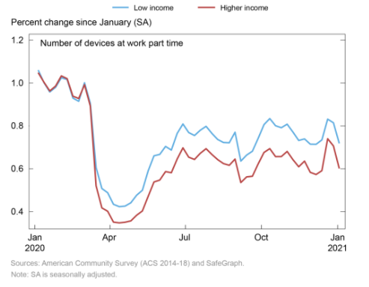
5-Jan-20 | 1.048079 | 1.060227
12-Jan-20 | 1.003483 | 1.001642
19-Jan-20 | 0.962755 | 0.9582566
26-Jan-20 | 0.9856824 | 0.9798738
2-Feb-20 | 1.033209 | 1.024529
9-Feb-20 | 1.020198 | 1.016474
16-Feb-20 | 0.9382806 | 0.9294679
23-Feb-20 | 0.9278845 | 0.9148393
1-Mar-20 | 0.9920436 | 1.001249
8-Mar-20 | 0.8926156 | 0.9050584
15-Mar-20 | 0.5197304 | 0.6049532
22-Mar-20 | 0.4169526 | 0.5074209
29-Mar-20 | 0.4013415 | 0.4878287
5-Apr-20 | 0.3507574 | 0.4338202
12-Apr-20 | 0.3471743 | 0.4228267
19-Apr-20 | 0.3501711 | 0.4253567
26-Apr-20 | 0.3563479 | 0.4408934
3-May-20 | 0.382621 | 0.476105
10-May-20 | 0.4029899 | 0.4994192
17-May-20 | 0.4712659 | 0.590342
24-May-20 | 0.5379398 | 0.6601191
31-May-20 | 0.54703 | 0.6668811
7-Jun-20 | 0.586542 | 0.703933
14-Jun-20 | 0.5812023 | 0.6867955
21-Jun-20 | 0.6448451 | 0.7643552
28-Jun-20 | 0.6973278 | 0.8087236
5-Jul-20 | 0.6537555 | 0.7686359
12-Jul-20 | 0.6431294 | 0.7549743
19-Jul-20 | 0.6720044 | 0.779605
26-Jul-20 | 0.6933983 | 0.797866
2-Aug-20 | 0.6664781 | 0.7649679
9-Aug-20 | 0.6424774 | 0.7364438
16-Aug-20 | 0.6238765 | 0.722291
23-Aug-20 | 0.6157804 | 0.7210497
30-Aug-20 | 0.644862 | 0.7702093
6-Sep-20 | 0.5353438 | 0.6355534
13-Sep-20 | 0.5617468 | 0.6635013
20-Sep-20 | 0.5648369 | 0.6816285
27-Sep-20 | 0.6225773 | 0.7419651
4-Oct-20 | 0.6757646 | 0.805656
11-Oct-20 | 0.6936235 | 0.8339911
18-Oct-20 | 0.6564116 | 0.8005399
25-Oct-20 | 0.6566553 | 0.7914257
1-Nov-20 | 0.6806118 | 0.8078315
8-Nov-20 | 0.6423548 | 0.7710807
15-Nov-20 | 0.6089162 | 0.7317716
22-Nov-20 | 0.635344 | 0.7390395
29-Nov-20 | 0.5829184 | 0.7145096
6-Dec-20 | 0.5728425 | 0.7139373
13-Dec-20 | 0.5909321 | 0.734366
20-Dec-20 | 0.7397887 | 0.831299
27-Dec-20 | 0.7061492 | 0.8142219
3-Jan-21 | 0.6010422 | 0.7181643

Figure 3
Date | Majority-Non minority | Majority-Minority
 | Full Time
5-Jan-20 | 1.103832 | 1.091842
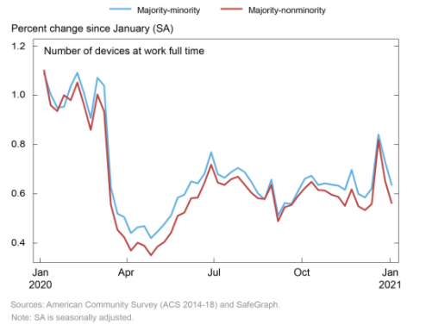
12-Jan-20 | 0.9600032 | 1.004615
19-Jan-20 | 0.9358386 | 0.9502609
26-Jan-20 | 1.000326 | 0.9532822
2-Feb-20 | 0.9802487 | 1.036916
9-Feb-20 | 1.051713 | 1.09173
16-Feb-20 | 0.9594079 | 1.007236
23-Feb-20 | 0.8594716 | 0.9075895
1-Mar-20 | 1.003075 | 1.071195
8-Mar-20 | 0.9339211 | 1.039021
15-Mar-20 | 0.55615 | 0.626704
22-Mar-20 | 0.4539773 | 0.519639
29-Mar-20 | 0.4240644 | 0.5060445
5-Apr-20 | 0.3699071 | 0.4408112
12-Apr-20 | 0.4016323 | 0.4644759
19-Apr-20 | 0.3897347 | 0.469417
26-Apr-20 | 0.3508293 | 0.4203326
3-May-20 | 0.3866439 | 0.4471807
10-May-20 | 0.4048004 | 0.4774762
17-May-20 | 0.4424125 | 0.5127469
24-May-20 | 0.5110086 | 0.5847619
31-May-20 | 0.5241396 | 0.5967897
7-Jun-20 | 0.5822111 | 0.6504716
14-Jun-20 | 0.5851751 | 0.6426015
21-Jun-20 | 0.6449077 | 0.6813017
28-Jun-20 | 0.7180896 | 0.7689585
5-Jul-20 | 0.6457261 | 0.6798126
12-Jul-20 | 0.6362066 | 0.6652256
19-Jul-20 | 0.6598367 | 0.6884951
26-Jul-20 | 0.6699061 | 0.7054352
2-Aug-20 | 0.6376762 | 0.6883851
9-Aug-20 | 0.6047844 | 0.6488918
16-Aug-20 | 0.5821992 | 0.6020712
23-Aug-20 | 0.5792094 | 0.5777313
30-Aug-20 | 0.6357186 | 0.6578861
6-Sep-20 | 0.4891688 | 0.5113242
13-Sep-20 | 0.5461172 | 0.5628843
20-Sep-20 | 0.5549843 | 0.5588872
27-Sep-20 | 0.592133 | 0.6118308
4-Oct-20 | 0.6232333 | 0.6615983
11-Oct-20 | 0.6492215 | 0.6738072
18-Oct-20 | 0.6156209 | 0.636259
25-Oct-20 | 0.6134238 | 0.642712
1-Nov-20 | 0.596444 | 0.6373576
8-Nov-20 | 0.5880369 | 0.6336554
15-Nov-20 | 0.551395 | 0.6166005
22-Nov-20 | 0.6184028 | 0.6973986
29-Nov-20 | 0.549922 | 0.5996986
6-Dec-20 | 0.5339512 | 0.5855177
13-Dec-20 | 0.559082 | 0.6219808
20-Dec-20 | 0.8180352 | 0.8406392
27-Dec-20 | 0.6531369 | 0.7311251
3-Jan-21 | 0.559875 | 0.6339989

Figure 4
Date | Majority-Non minority | Majority-Minority
 | Part Time
5-Jan-20 | 1.053825 | 1.035314
12-Jan-20 | 0.9970981 | 1.033553
19-Jan-20 | 0.9609085 | 0.9659401
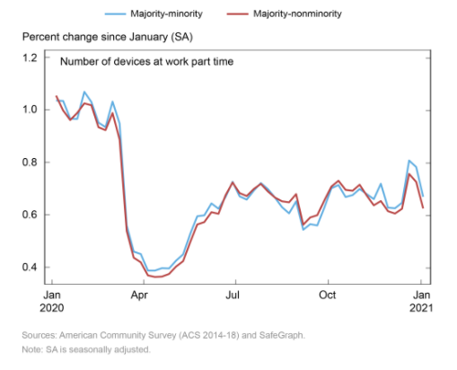
26-Jan-20 | 0.9881688 | 0.9651921
2-Feb-20 | 1.024307 | 1.068206
9-Feb-20 | 1.017168 | 1.029784
16-Feb-20 | 0.9335837 | 0.9511915
23-Feb-20 | 0.9223779 | 0.9337057
1-Mar-20 | 0.9874315 | 1.031034
8-Mar-20 | 0.8857418 | 0.9469793
15-Mar-20 | 0.5381618 | 0.5588101
22-Mar-20 | 0.4362668 | 0.4595087
29-Mar-20 | 0.4187068 | 0.4503655
5-Apr-20 | 0.3689902 | 0.3872204
12-Apr-20 | 0.3630417 | 0.3871309
19-Apr-20 | 0.3645006 | 0.3965667
26-Apr-20 | 0.3745083 | 0.3954329
3-May-20 | 0.4027628 | 0.4251823
10-May-20 | 0.4233151 | 0.4493009
17-May-20 | 0.4958581 | 0.527525
24-May-20 | 0.563089 | 0.5942076
31-May-20 | 0.5721792 | 0.5979252
7-Jun-20 | 0.6098547 | 0.6433046
14-Jun-20 | 0.6037886 | 0.6230079
21-Jun-20 | 0.6741353 | 0.6674982
28-Jun-20 | 0.722959 | 0.7257539
5-Jul-20 | 0.6825232 | 0.6698496
12-Jul-20 | 0.6713107 | 0.6577178
19-Jul-20 | 0.6981747 | 0.6919823
26-Jul-20 | 0.717461 | 0.7207165
2-Aug-20 | 0.6888708 | 0.6977171
9-Aug-20 | 0.6654629 | 0.6654414
16-Aug-20 | 0.6513035 | 0.6288035
23-Aug-20 | 0.6475065 | 0.6054626
30-Aug-20 | 0.6786407 | 0.6509821
6-Sep-20 | 0.5620387 | 0.542741
13-Sep-20 | 0.5896816 | 0.564186
20-Sep-20 | 0.5983682 | 0.5592914
27-Sep-20 | 0.6549987 | 0.6277714
4-Oct-20 | 0.7075521 | 0.7009376
11-Oct-20 | 0.7296678 | 0.713038
18-Oct-20 | 0.6948659 | 0.6675093
25-Oct-20 | 0.6915407 | 0.6749116
1-Nov-20 | 0.7144151 | 0.698227
8-Nov-20 | 0.6731225 | 0.6786351
15-Nov-20 | 0.6359203 | 0.6597033
22-Nov-20 | 0.6522988 | 0.718154
29-Nov-20 | 0.6137278 | 0.6271087
6-Dec-20 | 0.6047255 | 0.6245949
13-Dec-20 | 0.6227638 | 0.6457461
20-Dec-20 | 0.7556026 | 0.8067789
27-Dec-20 | 0.7253304 | 0.781871
3-Jan-21 | 0.6240002 | 0.6683442

