Sheet1
2021-02-09
Black and White Differences in the Labor Market Recovery from COVID-19
https://libertystreeteconomics.newyorkfed.org/2021/02/black-and-white-differences-in-the-labor-market-recovery-from-covid-19.html

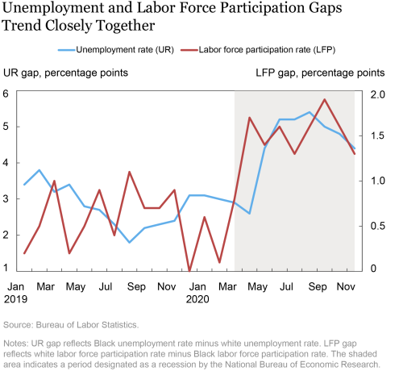
Figure 1
Date | Unemployment Rate (UR) | Labor Force Participation (LFP)
Jan-19 | 3.4 | 0.2
Feb-19 | 3.8 | 0.5
Mar-19 | 3.2 | 1
Apr-19 | 3.4 | 0.2
May-19 | 2.8 | 0.5
Jun-19 | 2.7 | 0.9
Jul-19 | 2.3 | 0.4
Aug-19 | 1.8 | 1.1
Sep-19 | 2.2 | 0.7
Oct-19 | 2.3 | 0.7
Nov-19 | 2.4 | 0.9
Dec-19 | 3.1 | 0
Jan-20 | 3.1 | 0.6
Feb-20 | 3 | 0.1
Mar-20 | 2.9 | 0.8
Apr-20 | 2.6 | 1.7
May-20 | 4.4 | 1.4
Jun-20 | 5.2 | 1.6
Jul-20 | 5.2 | 1.3
Aug-20 | 5.4 | 1.6
Sep-20 | 5 | 1.9
Oct-20 | 4.8 | 1.6
Nov-20 | 4.4 | 1.3

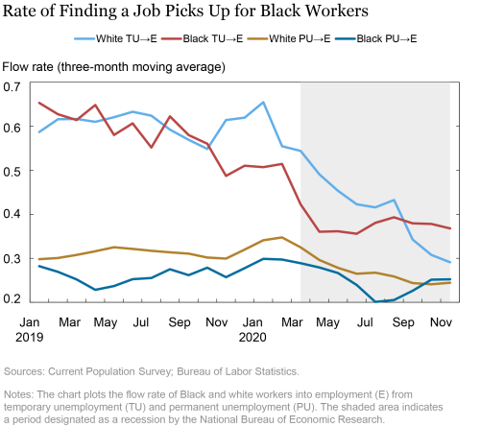
Figure 2
Date | White TU→E | Black TU→E | White PU→E | Black PU→E
Jan-19 | 0.58678257465 | 0.65304458141 | 0.29812166095 | 0.28217130899
Feb-19 | 0.61600857973 | 0.62713038921 | 0.30076134205 | 0.26917743683
Mar-19 | 0.61648082733 | 0.61412912607 | 0.30760490894 | 0.25211286545
Apr-19 | 0.60989177227 | 0.64812934399 | 0.31605142355 | 0.22852820158
May-19 | 0.62038117647 | 0.58017164469 | 0.32509070635 | 0.23719067872
Jun-19 | 0.6328638196 | 0.60642361641 | 0.3213006258 | 0.25256252289
Jul-19 | 0.62397807837 | 0.55160868168 | 0.3170774281 | 0.25522565842
Aug-19 | 0.59236818552 | 0.62224459648 | 0.31365710497 | 0.27521982789
Sep-19 | 0.56920641661 | 0.58000540733 | 0.31064894795 | 0.26183986664
Oct-19 | 0.54849463701 | 0.56041908264 | 0.30176520348 | 0.27862268686
Nov-19 | 0.61416101456 | 0.48727169633 | 0.29942300916 | 0.25722163916
Dec-19 | 0.61928939819 | 0.51038587093 | 0.31991365552 | 0.27773028612
Jan-20 | 0.65458101034 | 0.50708800554 | 0.34093356133 | 0.29888004065
Feb-20 | 0.55468684435 | 0.51442861557 | 0.34747770429 | 0.29729786515
Mar-20 | 0.54386919737 | 0.42248046398 | 0.32502570748 | 0.28878593445
Apr-20 | 0.49059969187 | 0.36027812958 | 0.29627794027 | 0.27930307388
May-20 | 0.45325574279 | 0.36142283678 | 0.27848228812 | 0.26666721702
Jun-20 | 0.42271468043 | 0.35582113266 | 0.26513791084 | 0.23939441144
Jul-20 | 0.41577935219 | 0.38061925769 | 0.26737475395 | 0.20097954571
Aug-20 | 0.43252047896 | 0.39327639341 | 0.25877603889 | 0.20548410714
Sep-20 | 0.34277847409 | 0.37955504656 | 0.24381418526 | 0.22633498907
Oct-20 | 0.30781242251 | 0.37809887528 | 0.24112959206 | 0.25156718493
Nov-20 | 0.29117423296 | 0.36800640821 | 0.24456752837 | 0.25233608484

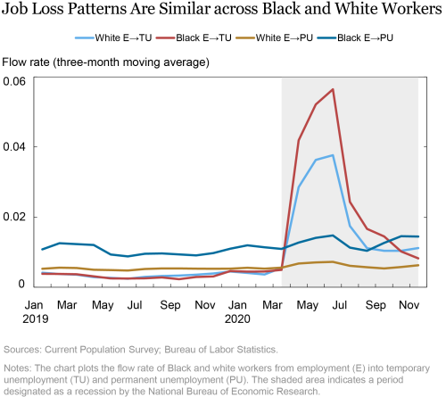
Figure 3
Date | White E→TU | Black E→TU | White E→PU | Black E→PU
Jan-19 | 0.0041156974621 | 0.0038225238677 | 0.0052643907256 | 0.010779643431
Feb-19 | 0.0037606605329 | 0.0037936975714 | 0.0055568199605 | 0.012528034858
Mar-19 | 0.0035657545086 | 0.003678422654 | 0.0054820454679 | 0.012296213768
Apr-19 | 0.0028757029213 | 0.0031011567917 | 0.0049633248709 | 0.012049616314
May-19 | 0.0026705898345 | 0.0025140892249 | 0.0048850816675 | 0.0093206698075
Jun-19 | 0.0024196023587 | 0.0024635961745 | 0.0047618760727 | 0.0087933270261
Jul-19 | 0.0029375096783 | 0.0025248313323 | 0.0051782950759 | 0.0095387799665
Aug-19 | 0.0031847965438 | 0.0028014013078 | 0.0053391400725 | 0.0096444645897
Sep-19 | 0.0033210129477 | 0.0022814504337 | 0.0053476276807 | 0.0093622114509
Oct-19 | 0.0035595253576 | 0.0029074316844 | 0.0052770175971 | 0.0090701086447
Nov-19 | 0.0039031819906 | 0.003060238203 | 0.0052712745965 | 0.0097364941612
Dec-19 | 0.0044689401984 | 0.0046097459272 | 0.0052877562121 | 0.010973176919
Jan-20 | 0.0040658274665 | 0.004450305365 | 0.0055451337248 | 0.011942118406
Feb-20 | 0.0036336157937 | 0.0044627469033 | 0.0052970475517 | 0.01139735803
Mar-20 | 0.0055029150099 | 0.0049449568614 | 0.0055751679465 | 0.010905524716
Apr-20 | 0.028561966494 | 0.041897665709 | 0.0067496718839 | 0.012728412636
May-20 | 0.036318365484 | 0.052140574902 | 0.0070791342296 | 0.014062935486
Jun-20 | 0.037644769996 | 0.056446164846 | 0.0072393561713 | 0.01477113273
Jul-20 | 0.017458785325 | 0.024346765131 | 0.0060982005671 | 0.011285355315
Aug-20 | 0.011147630401 | 0.016653198749 | 0.0056837853044 | 0.010392835364
Sep-20 | 0.010376137681 | 0.014480128884 | 0.0053517697379 | 0.012632958591
Oct-20 | 0.01038271375 | 0.010211115703 | 0.0057465597056 | 0.014533605427
Nov-20 | 0.011153734289 | 0.008240737021 | 0.0062496969476 | 0.014455011114

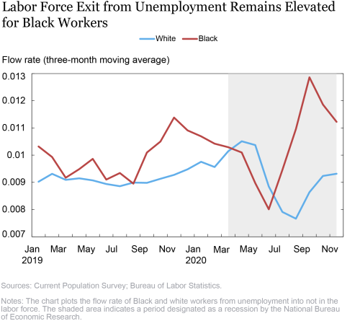
Figure 4
Date | White | Black
Jan-19 | 0.0090237213299 | 0.010318165645
Feb-19 | 0.0093131354079 | 0.0099307429045
Mar-19 | 0.0090932743624 | 0.009170490317
Apr-19 | 0.0091481469572 | 0.0094860075042
May-19 | 0.0090714525431 | 0.0098640238866
Jun-19 | 0.0089397467673 | 0.0091027654707
Jul-19 | 0.0088592264801 | 0.0093430969864
Aug-19 | 0.0089921876788 | 0.0089513231069
Sep-19 | 0.0089819841087 | 0.010097577237
Oct-19 | 0.0091302562505 | 0.010499680415
Nov-19 | 0.0092725651339 | 0.011380304582
Dec-19 | 0.0094790849835 | 0.010909338482
Jan-20 | 0.0097549641505 | 0.010692108423
Feb-20 | 0.0095629794523 | 0.010422251187
Mar-20 | 0.010141874664 | 0.010293070227
Apr-20 | 0.010508440435 | 0.01009598095
May-20 | 0.010370241478 | 0.0089702596888
Jun-20 | 0.0088476128876 | 0.0080099506304
Jul-20 | 0.0079104527831 | 0.009455117397
Aug-20 | 0.0076638553292 | 0.010957667604
Sep-20 | 0.0086355097592 | 0.012862006202
Oct-20 | 0.0092345355079 | 0.011860377155
Nov-20 | 0.0093161221594 | 0.011226244271

