TOC
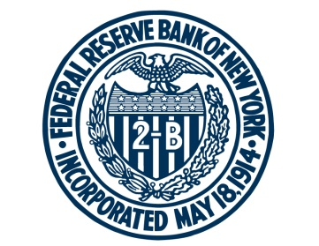

FEDERAL RESERVE BANK of NEW YORK

Companion Data for Federal Reserve Bank of New York Liberty Street Economics post entitled "Selected Deposits and the OBFR"
Published on May 6, 2019

Sheet 1 - OBFR Comparison
Published OBFR
OBFR including Selected Deposits
Source: FR 2420.

Sheet 2 - Selected Deposits
Volume and Rates
Source: FR 2420.

For any questions, please contact Research Publications at:
research.publications@ny.frb.org

Terms of Use:
https://www.newyorkfed.org/privacy/termsofuse.html

