cover sheet
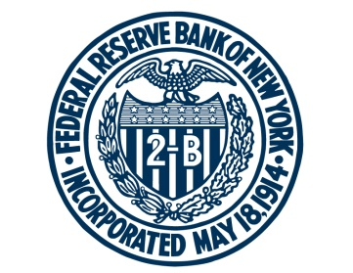

FEDERAL RESERVE BANK of NEW YORK

Chart Data for Federal Reserve Bank of New York, Are Student Loan Defaults Cyclical? It Depends
Updated: November 21, 2017

Charts: | Sheet:
Two-, Three-, and Five-Year Cohort Default Rate (CDR) by Repayment Cohort | ch1_cdr1
Source: New York Fed Consumer Credit Panel/Equifax; National Student Clearinghouse

Unemployed to Employment Transition Rate | ch2_u2e
Source: U.S. Bureau of Labor Statistics data, accessed through Haver Analytics

Three-Year Cohort Default Rate (CDR) by Repayment Cohort and Degree Type | ch3_cdr2
Source: New York Fed Consumer Credit Panel/Equifax; National Student Clearinghouse

For any questions, please contact Research Publications at:
research.publications@ny.frb.org

Terms of Use:
https://www.newyorkfed.org/termsofuse.html

